Cover FX
Cover FX Cosmetics

Picture | Item # | Name | # Units | Case Pack | UPC | Description
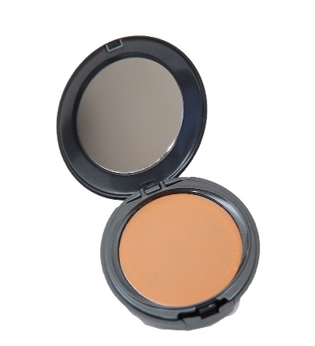 | HB-CFX-12085 | Cover FX Total Cover Cream N85 | 268 | 135 | 843813000580 | Cover FX Total Cover Cream N85 No Online , No Advertising , No Canada , No Major Retailers
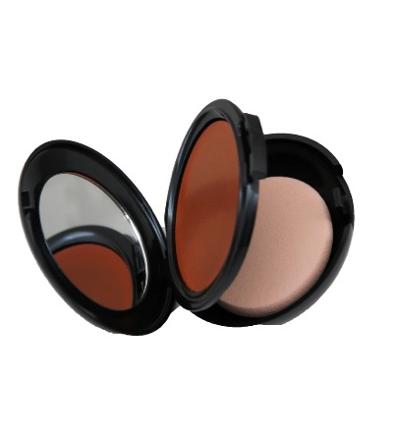 | HB-CFX-12120 | Cover FX Total Cover Cream N120 | 772 | 135 | 843813000405 | Cover FX Total Cover Cream N120 No Online , No Advertising , No Canada , No Major Retailers
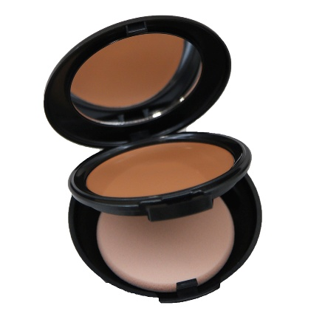 | HB-CFX-13060 | Cover FX Total Cover Cream P60 | 199 | 135 | 843813013061 | Cover FX Total Cover Cream P60 No Online , No Advertising , No Canada , No Major Retailers
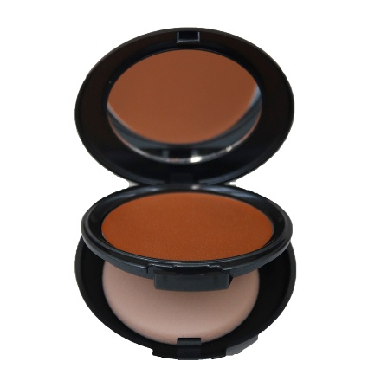 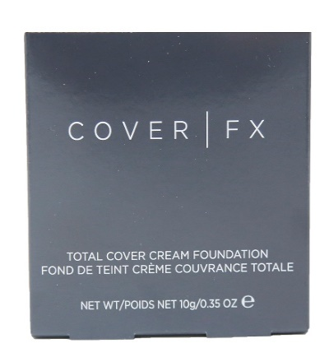 | HB-CFX-13125 | Cover FX Total Cover Cream P125 | 181 | 135 | 843813000627 | Cover FX Total Cover Cream P125 No Online , No Advertising , No Canada , No Major Retailers
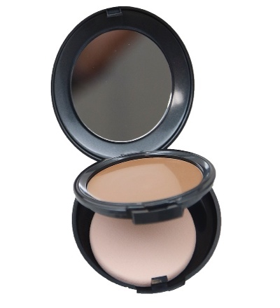 | HB-CFX-14080 | Cover FX Total Cover Cream G80 | 234 | 135 | 843813014082 | Cover FX Total Cover Cream G80 No Online , No Advertising , No Canada , No Major Retailers
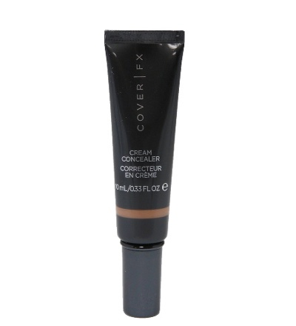 | HB-CFX-16040 | Cover FX Cream Concealer N Medium Deep | 757 | 210 | 843813016048 | Cover FX Cream Concealer N Medium Deep
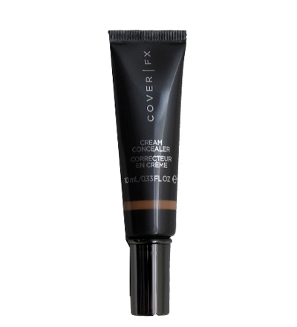 | HB-CFX-18060 | Cover FX Cream Concealer - G Medium Deep 10 ml - 0.33 fl oz | 546 | 170 | 843813018066 | Cover FX Cream Concealer - G Medium Deep 10 ml - 0.33 fl oz - No Online , No Advertising , No Canada , No Major Retailers
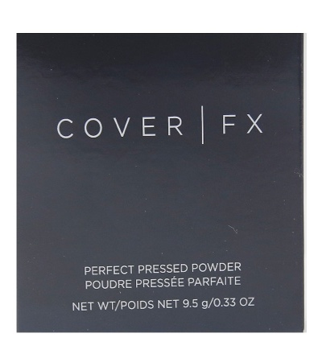 | HB-CFX-20703 | Cover FX Perfect Pressed Powder Deep | 6,146 | 144 | 843813002249 | Cover FX Perfect Pressed Powder Deep No Online , No Advertising , No Canada , No Major Retailers
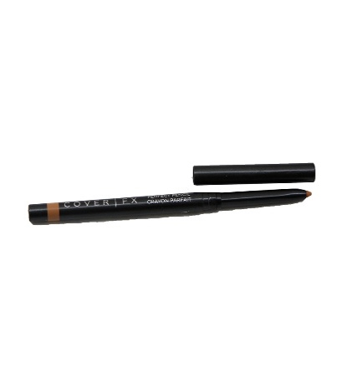 | HB-CFX-21130 | Cover FX Perfect Pencil - N Medium Deep | 1,057 | 324 | 843813001204 | Cover FX Perfect Pencil - N Medium Deep No Online , No Advertising , No Canada , No Major Retailers
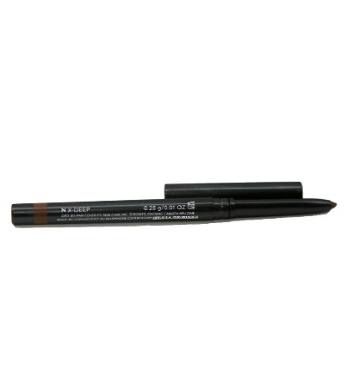 | HB-CFX-21150 | Cover FX Perfect Pencil - N X Deep | 1,253 | 324 | 843813001228 | Cover FX Perfect Pencil - N X Deep No Online , No Advertising , No Canada , No Major Retailers
  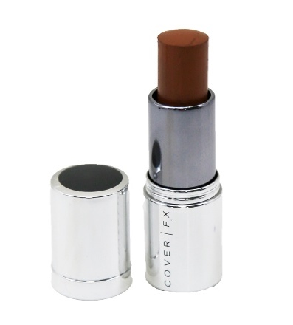 | HB-CFX-24110 | Cover FX Cover Click N110 | 538 | 336 | 843813001396 | Cover FX Cover Click N110 No Online , No Advertising , No Canada , No Major Retailers
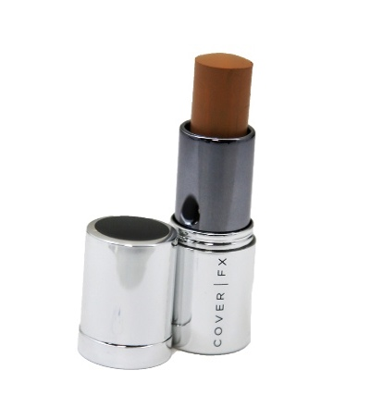 | HB-CFX-24370 | Cover FX Cover Click Cream Foundation 5.5 g - 0.2 oz Color G | 2,069 | 336 | 843813001495 | Cover FX Cover Click Cream Foundation 5.5 g - 0.2 oz Color G-70 - No Online , No Advertising , No Canada , No Major Retailers
 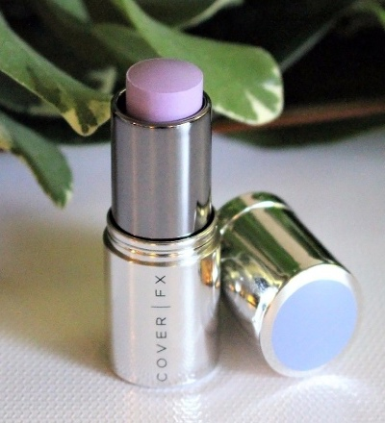 | HB-CFX-24504 | Cover FX Correct Click Cream Corrector Lavender | 1,521 | 336 | 843813001617 | Cover FX Correct Click Cream Corrector Lavender - No Online , No Advertising , No Canada , No Major Retailers
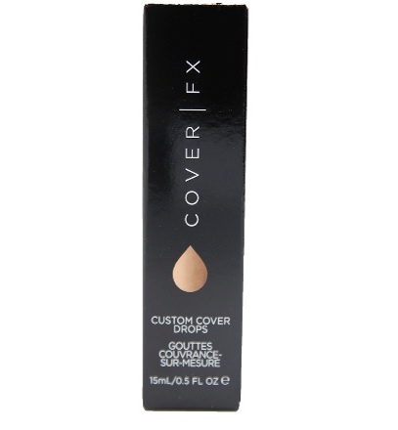 | HB-CFX-25080 | Cover FX Cover Drops 15 ml - 0.5 fl oz Color N-80 | 3,303 | 129C23F26+C23+F26+C23+F26 | 843813000160 | Cover FX Cover Drops 15 ml - 0.5 fl oz Color N-80 - No Online , No Advertising , No Canada , No Major Retailers
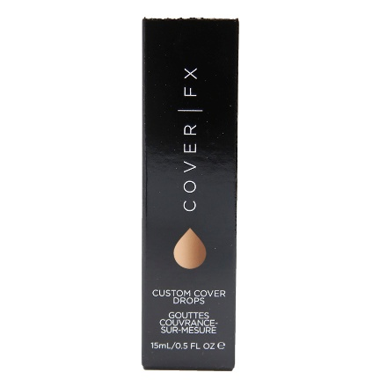 | HB-CFX-25090 | Cover FX Cover drops - Goutles Couvrance Sur-mesure N -90 1 | 830 | 156 | 843813000177 | Cover FX Cover drops - Goutles Couvrance Sur-mesure N -90 15 ml - 0.5 fl oz - No Online , No Advertising , No Canada , No Major Retailers
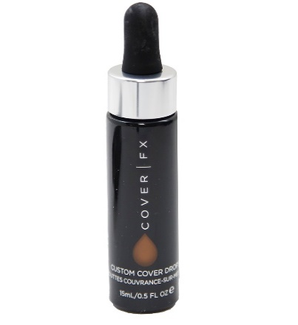 | HB-CFX-25100 | Cover FX Cover drops - Goutles Couvrance Sur-mesure N -100 1 | 1,962 | 156 | 843813000184 | Cover FX Cover drops - Goutles Couvrance Sur-mesure N -100 15ml - 0.5 fl oz - No Online , No Advertising , No Canada , No Major Retailers
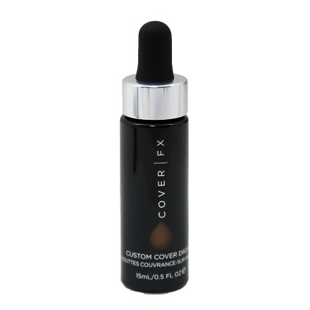 | HB-CFX-25110 | Cover FX Cover drops - Goutles Couvrance Sur-mesure N -110 | 2,966 | 129 | 843813000191 | Cover FX Cover drops - Goutles Couvrance Sur-mesure N -110 15ml - 0.5 fl oz - No Online , No Advertising , No Canada , No Major Retailers
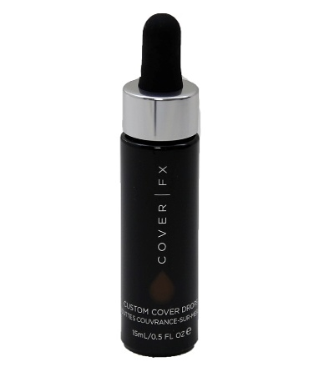 | HB-CFX-25120 | Cover FX Cover Drops Color N-120 15 ml - 0.5 fl oz | 3,496 | 156 | 843813000412 | Cover FX Cover Drops Color N-120 15 ml - 0.5 fl oz - No Online , No Advertising , No Canada , No Major Retailers
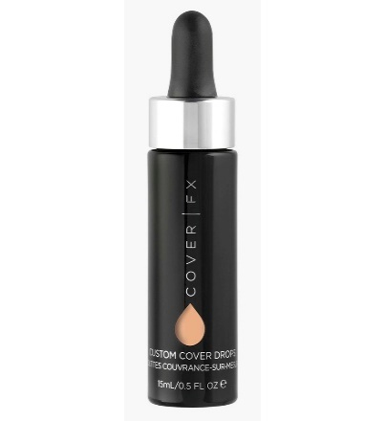 | HB-CFX-25380 | Cover FX Cover Drops Color G80 15 ml - 0.5 fl oz | 6,387 | 129 | 843813000306 | Cover FX Cover Drops Color G80 15 ml - 0.5 fl oz - No Online , No Advertising , No Canada , No Major Retailers
 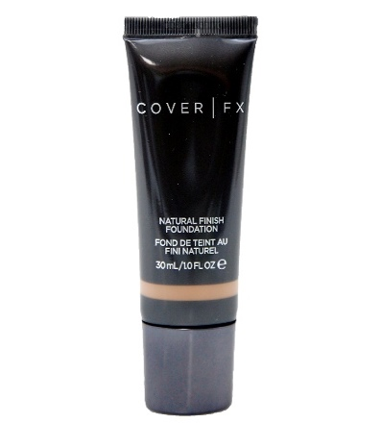 | HB-CFX-34110 | Cover FX Natural Finish Foundation G-110 30 ml - 1.0 oz - | 493 | 96 | 843813000979 | Cover FX Natural Finish Foundation G-110 30 ml - 1.0 oz - No Online , No Advertising , No Canada , No Major Retailers
 |  |  | 34,978

